ABOUT
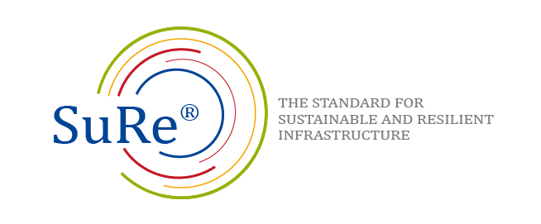

SuRe® - the Standard for Sustainable and Resilient Infrastructure

Assessment Worksheet

Document Title: Assessment Worksheet
Document Code: FT02
Version: v1.0
Approval Date: 8.12.2017
Effective Date: 1.1.2018
Official Language: English
In the case of inconsistency between versions in different languages; the English version shall take precedence over other versions.

Versions Issued
Version No. | Effective Date | Description of Changes
v1.0 | January 2018 | First version.

© GIB 2017, Published in Switzerland

No part of this document may be reproduced or copied in any form without written permission of the publisher. Printed copies are uncontrolled and for reference only. Please refer to the electronic copy on the GIB website (www.gib-foundation.org) to ensure you are referring to the latest version.

Global Infrastructure Basel Foundation
Elisabethenstrasse 22
4051 Basel
Switzerland
Tel: +41 61 205 10 59
Fax: +41 61 271 10 10
http://www.gib-foundation.org
e-mail: standard@gib-foundation.org

